Spreadsheet explanation
Process of Analyzing the Added Cost of Bird-Safe Glass
Check all references
This section describes how the conclusions stated above were developed in a spreadsheet.
To assess the economic acceptability of the cost of bird safe glass this spreadsheeet was developed which includes ten (10) variables: These include (1) the building height, width and depth, (2) the construction costs per square feet, (3) the size of the windows, (4) the number of windows per floor and (5) the cost of standard glass. There is an accompanying Backgrond document.
Why Scenarios and Not Actual Costs
The actual added cost of bird-safe glass depends on a number of factors. There are many types of glass. The added cost of all of these glass types is not available from the manufacturers, except to architects pricing a particular project. In order to assess the affordability of bird safe glass it is not necessary to know the exact added costs of bird-safe glass. Instead, one can begin with a cost of standard commercial glass and multiply it by 10, 25 and 50% to ascertain the range of added cost. (I ahve aadded 10% to cover increased fabrication cost at C38-C40.) This range was approved by industry experts. The use of scenarios in this way is a standard procedure used in policy development when exact costs are not known.
The costs and results of these scenarios were compared to the estimated cost of a library with bird-safe glass and one without using current price quotes. Using actual costs, the added cost of bird-safe glass is 0.17% and using the scenario approach it is 0.15%. D58 See worksheet "Case Study." This analysis assumed that the UV glass was 50% more costly.
Medium Building Scenario The first scenario is a medium sized building 125 ft high by 60 feet wide and deep. It was assumed that either the entire front or 4 all sides were entirely covered with windows. This scenario assumes that standard commercial glass cost $25 per square foot. (This price is frequently appears in advertising.) The construction cost was assumed to be $562/sq. ft. which is typical of a mid-rise building. https://www.levelset.com/blog/commercial-construction-cost-per-square-foot/#Commercial_office_space The results are shown in columns C-D and N0 in the base worksheet. (see worksheet "bldgcostsqfeet" for amny other building types.)
Large Building Scenario The second scenario is a building twice the size of the midrise -- 250 feet high and 18 stories, by 120 wide and 120 deep. In this instance unsafe glass was assumed to cost $50 sq. ft. The building cost is $660 per square foot - typical cost for high rises.
The added cost of the bird-safe glass for the floors needing bird safe glass was computed and compared to (1) the overall cost of the building, (2) the expected cost overruns, and (3) the expected variability in construction costs. The results are shown n columns R-T and W-Y in the base worksheet.
Estimated Costs vs. Negotiated Costs. Of course, the estimated costs are designed to provide an overall assessment of the acceptability of bird safe glass are different than the costs negotiated between the window supplier and the contractor for an installed window. As noted this tool produces results very close to actual comparisons of the cost of bird safe vs. unsafe windows.

 | At columns F4-F13 are where the variables that need to be entered --
 |  | Variables
 | 60 | bldg width ft.
 | 60 | bldg depth ft
 | 125 | bldg height ft.
 | 100 | bird safe height ft
 | $562 | const cost sq feet.
 | 13 | window height
 | 12 | window width
 | 16 | windows per floor
 | $25 | glass cost/sq ft.
 | 14 | floor height
 | 9 | num floors | computed by spread sheet
 | 3 | safe floors | computed by spread sheet

 | At columns F4-F13 are where the variables that need to be entered --
 |  | Variables
 | 60 | bldg width ft.
 | 60 | bldg depth ft
 | 125 | bldg height ft.
 | 100 | bird safe height ft
 | $562 | const cost sq feet.
 | 13 | window height
 | 12 | window width
 | 16 | windows per floor
Construction cost per square foot. I have used national averages. The cost varies depending on the height of the building and many other factors. In many areas these costs are public knowledge. The planning department will know the costs. If you know the overall cost of the building, it is not necessary to find the costs. The cost can be entered at C35.
Safe height in feet. Under a proposed building ordinance or an existing one, bird safe glass should be used on the first 100 feet. This height is critical for two reasons. First, about 99% of bird window collisions occur below this level. Second, because it limits the cost of bird safe glass. In some areas it is lower -- often 50' -- which lowers the bird safe cost/building cost relationship even more attractive but means more bird deaths. As shown in C66- D68 are only 0.07% to 0.37%. The added bird deaths clearly outweigh the added cost.
Amount of glass. The amount of glass overall needs to be estimated. It is not necessary to be exact. If one knows the height and width of the building, the amount of glass can be estimated. The window size is not standard. Used to compute building front which is all glass.
Glass Cost per Square Feet. It is not necessary to have an exact extra cost of bird-safe glass. This is the advantage of the scenario approach. For the medium height building I started with glass costing $25/ sq. ft. This price is quoted at many locations on the web. The glass manufacturers are reticent to quote any price to the public. The key point is that even if the bird safe glass costs 50 % more the effect on the cost of the building is very small. It increases the cost by 0.6%-- from 0.14% to 0.74 D58,59, and 60. See also the “Case Study” worksheet which assumed glass 50% more costly. Note that this amount is far less than the average cost overruns and the average variability in construction materials. A70-A77.
As the “Case Study” worksheet shows, the architects can obtain this information. If you know the extra cost of bird safe glass you can enter at E39 and dispense with the scenarios.
Remember it is added cost of the bird safe glass that is relevant. In very large projects, such as the Javits Center, if the plans assume bird-safe glass, there may be no extra cost.
Floor Height, Safe and Unsafe Floors These assumptions are used to compute the amount of sq/ft of glass overall, so that it can be compared to the added cost for bird safe glass in the first 100'. I used 14', which I found was the average height of commercial buildings. If in a particular case, if the height of a floor is different it does not matter -- as long as there is some way to determine the added cost of the part of the building requiring bird safe glass.
 | $25 | glass cost/sq ft.
 | 14 | floor height
 | 9 | num floors
 | 3 | safe floors

Base spreadsheet
Option 1 Glass covering only front 100 ft safe |  |  |  |  |  |  | option 40 feet |  | 64.4 |  |  | Option 3 Tall Office Glass Front Only |  |  |  | Option 4 Tall all glass
 |  |  |  |  | Enter Variables Below
Building Assumptions |  |  |  |  |  | Variables |  |  | Variables |  |  |  | Variables |  |  |  | Variables |  |  | Avg U.S. Price
 |  | width of building | 60 |  | 60 | bldg width ft. |  | 60 | bldg width ft. |  |  | 120 | bldg width ft. |  |  | 120 | bldg width ft. |  |  | single story office | #REF! | $313
 |  | height | 125 |  | 60 | bldg depth ft |  | 60 | bldg depth ft |  |  | 120 | bldg depth ft |  |  | 120 | bldg depth ft |  |  | mid-rise | #REF! | $562
 |  | depth | 60 |  | 125 | bldg height ft. |  | 125 | bldg height ft. |  |  | 250 | bldg height ft. |  |  | 250 | bldg height ft. |  |  | highrise | #REF! | $660
 |  | total sq foot per floor | 3,600 |  | 100 | safe height ft |  | 40 | safe height ft |  |  | 100 | safe height ft |  |  | 100 | safe height ft
 |  | Bird safe Height | 100 |  | $562 | const cost sq feet. |  | $562 | const cost sq feet. |  |  | $660 | const cost sq feet. |  |  | #REF! | const cost sq feet.
unrounded |  | height of floor | 14 |  | 13 | window height |  | 13 | window height |  |  | 13 | window height |  |  | 13 | window height
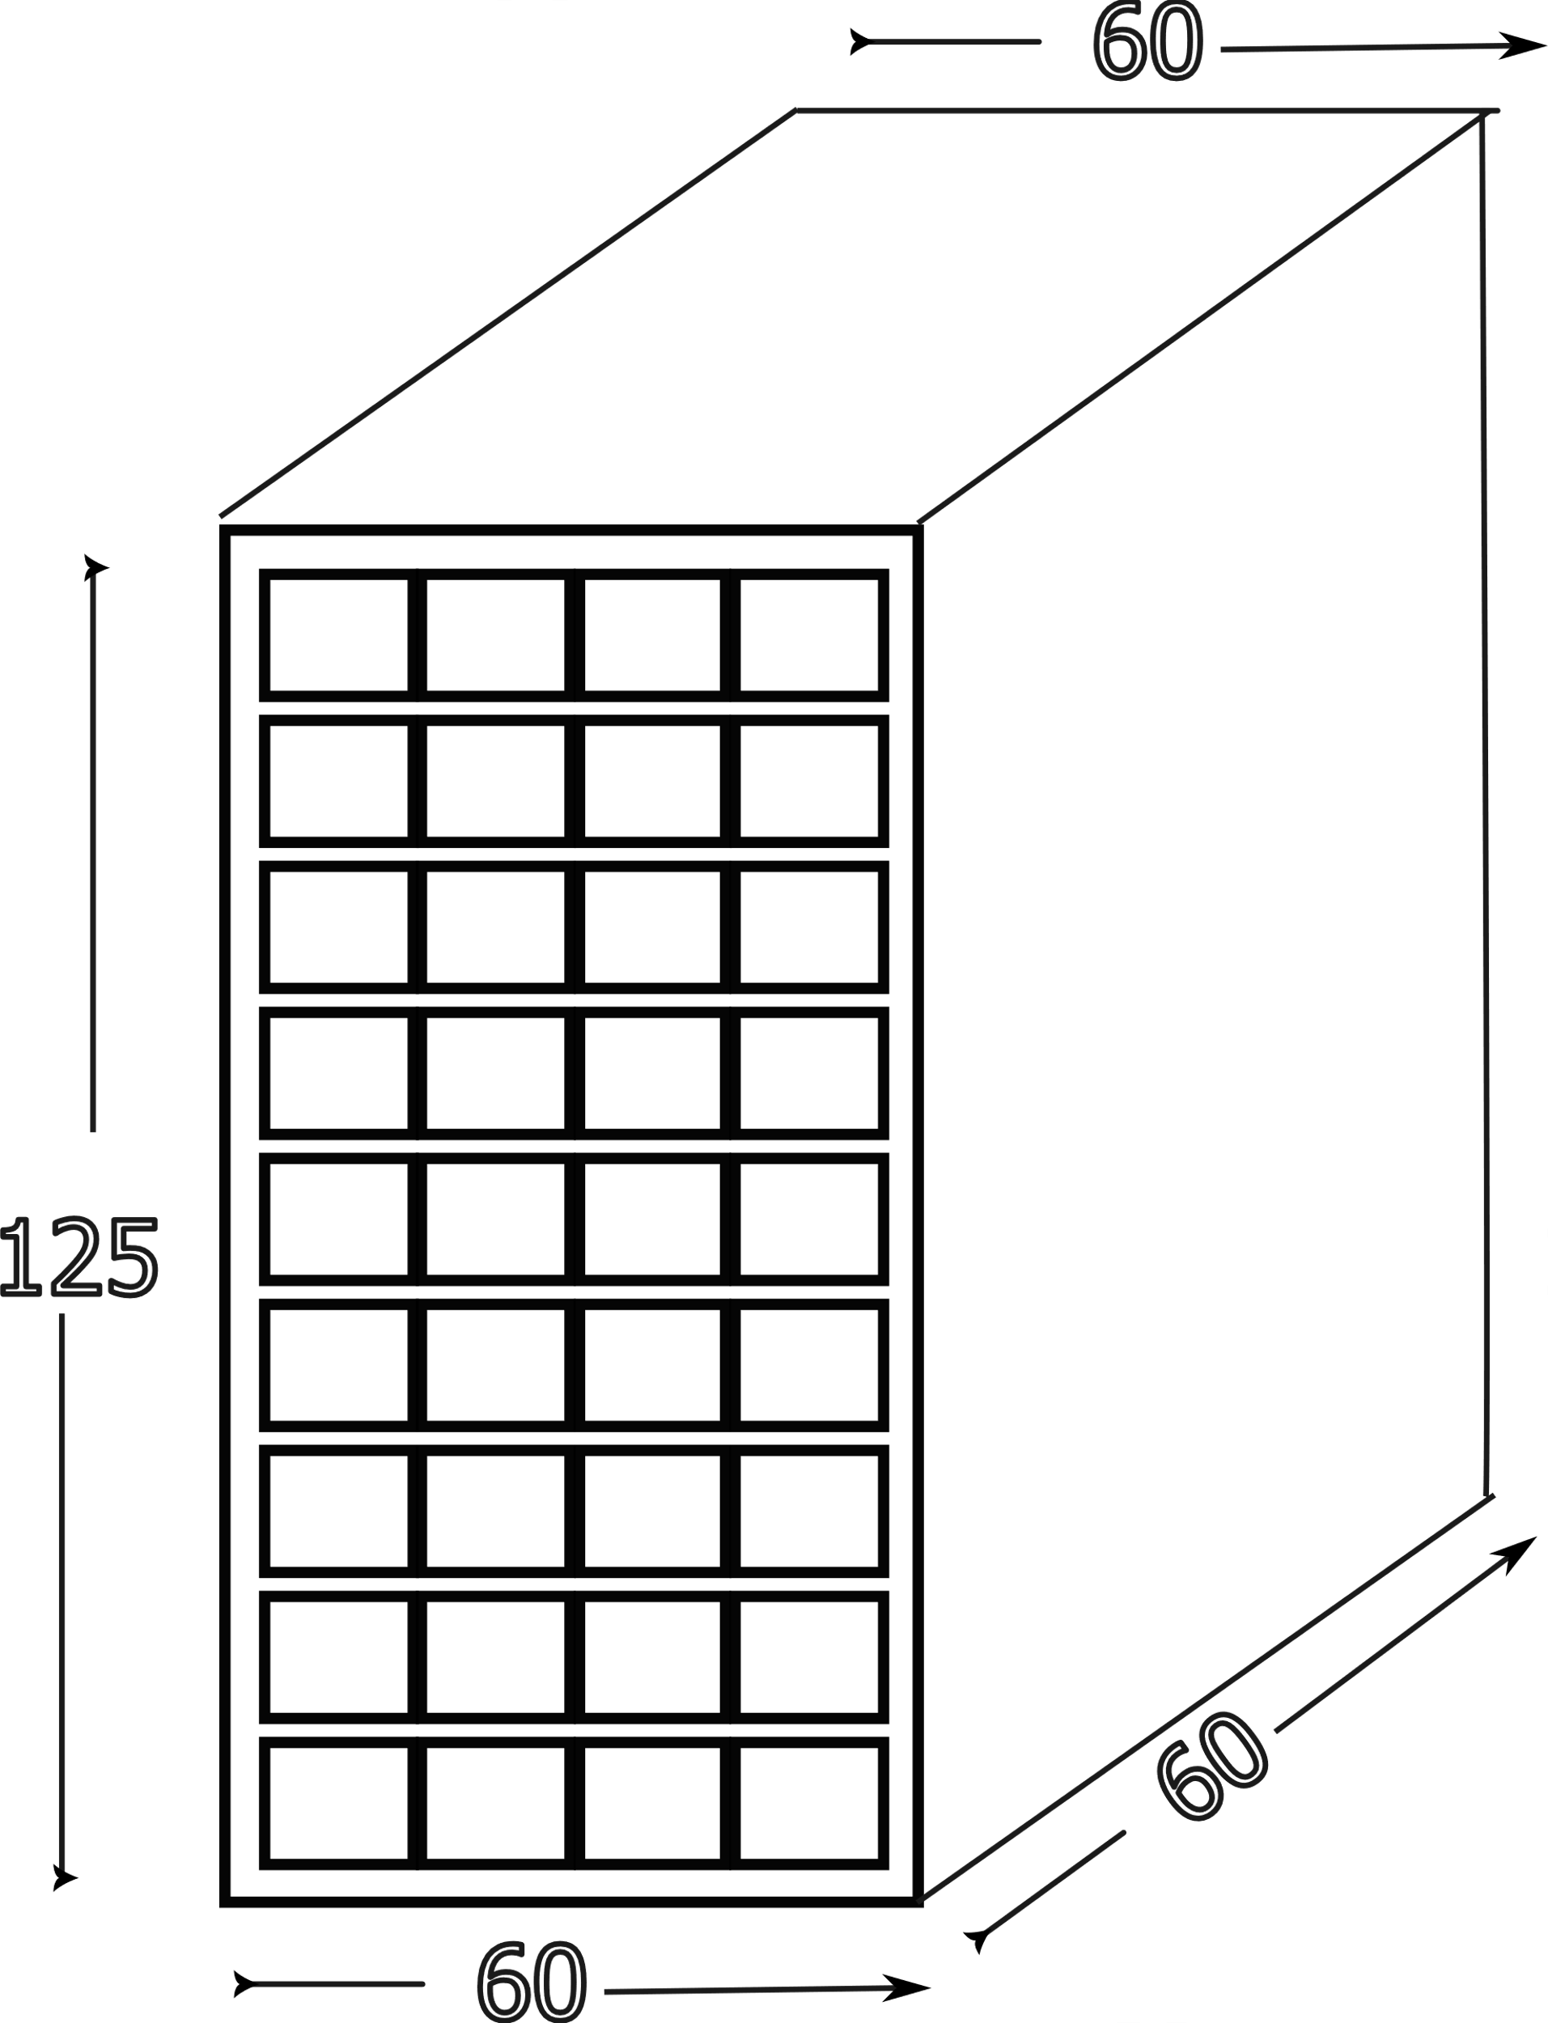
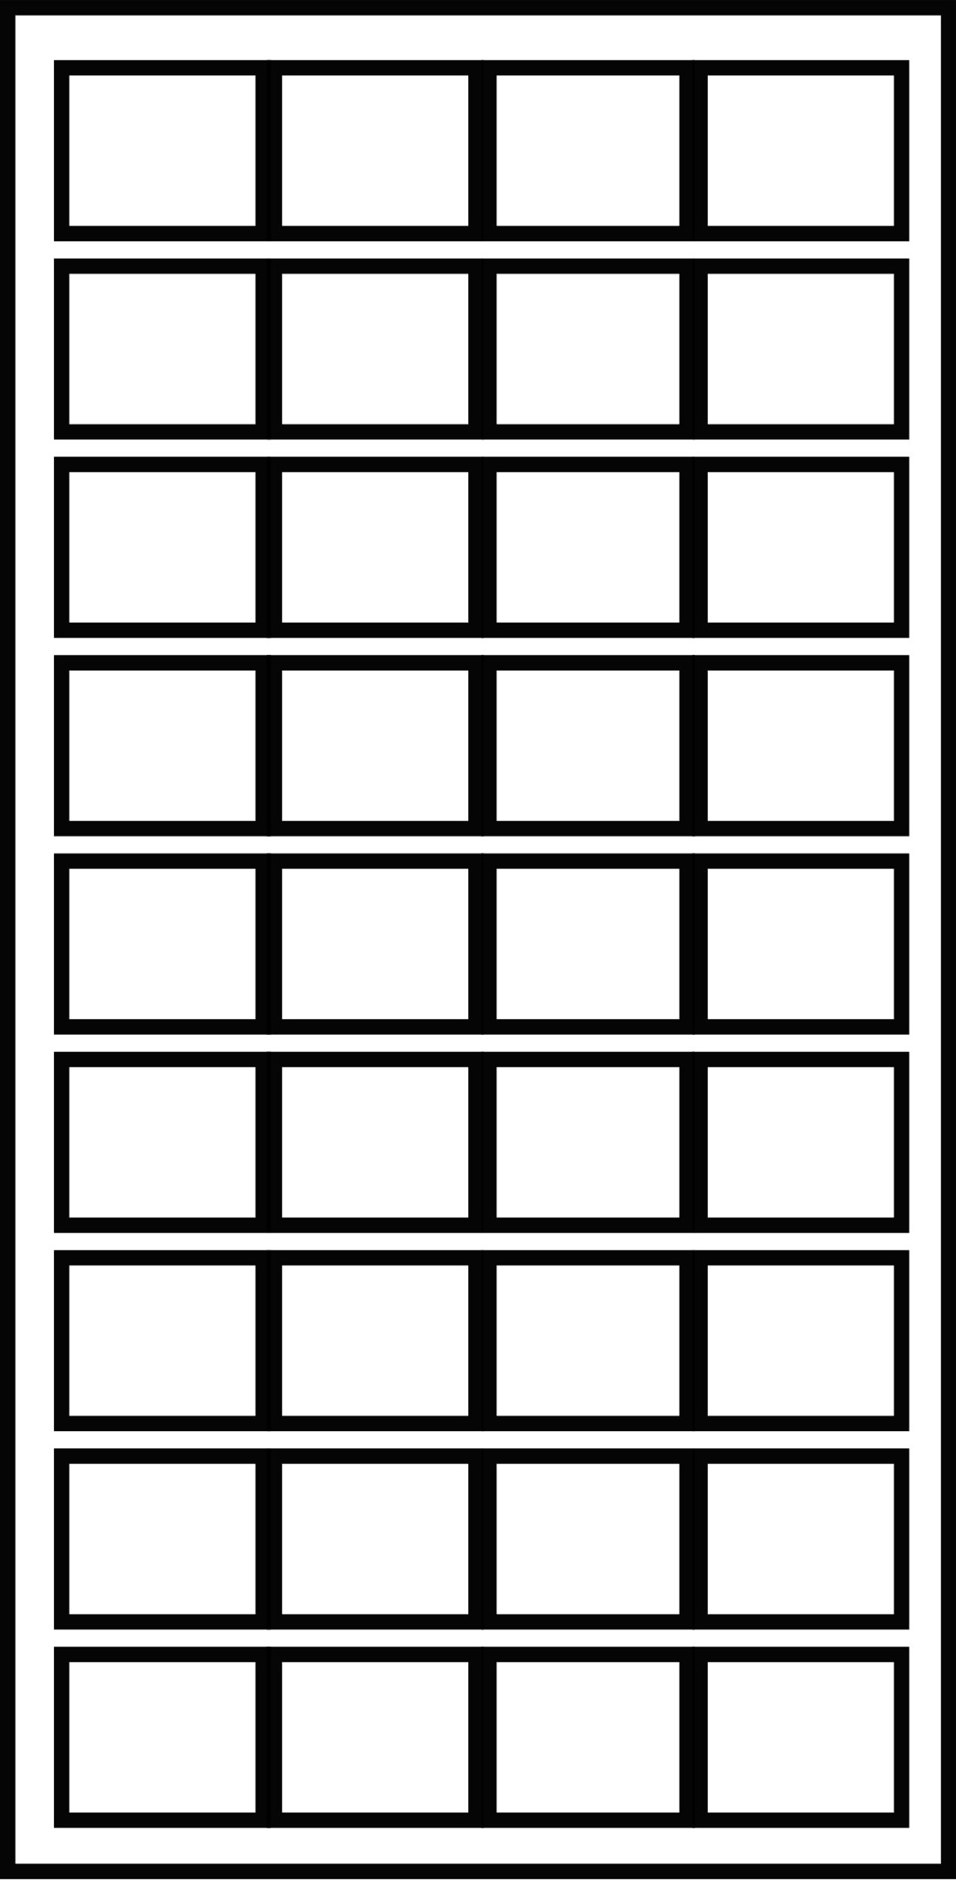
8.9285714286 | 9.0 | Number of floors rounded | 9.0 |  | 12 | window width |  | 12 | window width |  |  | 12 | window width |  |  | 12 | window width
7.1428571429 | 7 | # Bird Safe Floors | 7.0 |  | 4 | windows per floor |  | 16 | windows per floor |  |  | 4 | windows per floor |  |  | 16 | windows per floor
total floors |  |  |  |  |  |  |  | 9 | num floors
 |  | sq ft/floor | 3,600 |  | $25 | glass cost/sq ft. |  | $25 | glass cost/sq ft. |  |  | $50 | glass cost/sq ft. |  |  | $50 | glass cost/sq ft.
 |  | square feet building | 32,400 |  | 14 | floor height |  | 14 | floor height |  |  | 14 | floor height |  |  | 14 | floor height
 |  |  |  |  |  |  |  | 9 | num floors |  |  | 18 | num floors |  |  | 18 | num floors
 |  |  | 32,400 |  | . |  |  | 3 | safe floors |  |  | 3 | safe floors |  |  | 3 | safe floors
 |  |  |  |  | 8.9285714286 |  | sq ft/floor | 3,600.00 |  |  | sq ft/floor | 14,400 |  |  | sq ft/floor | 14,400
 |  |  |  |  | 8.9285714286 |  | sq ft building | 32,142.86 |  |  | sq ft building | 257,143 |  |  | sq ft building | 257,143

Window Assumptions
w per floor |  | 4 | fills one side |  |  |  | w per floor, all sides | 4 |  |  | windows per floor | 4 |  |  | windows per floor | 16
total windows |  |  | 36 |  | $20 |  | total windows | 36 |  |  | total windows | 71 |  |  | total windows | 286
 |  | windows req safe | 28 |  |  |  | safe windows total | 12 | rounded |  | safe windows total | 11 |  |  | safe windows total | 11
 |  |  |  |  | 240,000/
 |  |  |  |  |  |  | window width | 12 |  | 12 | window width | 12 |  | 0 | window width | 12
 |  |  |  |  |  |  | window height | 13 |  | 13 | window height | 13 |  | 0 | window height | 13
Sq fweet windows
 |  | sq ft/one window | 156 |  |  |  | sq ft 1 window | 156 |  |  | sq ft 1 window | 156 |  |  | sq ft 1 window | 156
 |  | sq ftwindows per floor | 624 |  |  |  | sq ft windows per floor | 2,496 |  |  | sq ft windows per floor | 624 |  |  | sq ft windows per floor | 2,496
 |  | sq_ft_all-W | 5,616 |  |  |  | sq ft all windows | 22,286 |  |  | sq ft all windows | 11,143 |  |  | sq ft all windows | 44,571
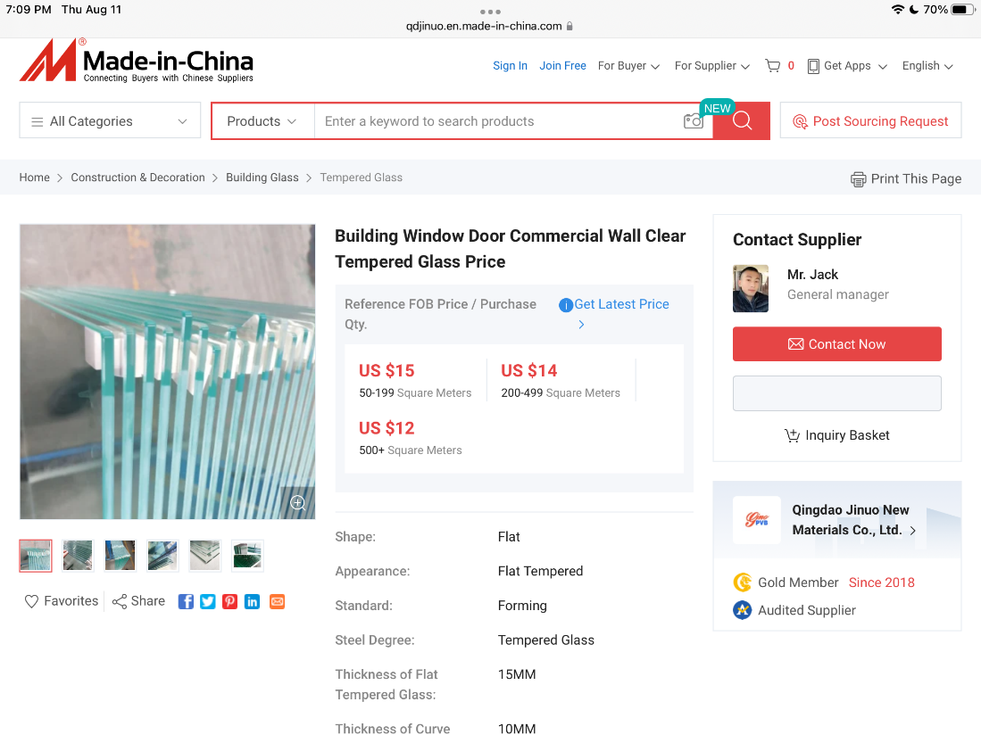
 |  | sq_ft eq bird safe | 4,368 |  |  |  | sq ft bird safe | 7,131 |  |  | sq ft bird safe | 1,783 |  |  | sq ft bird safe | 7,131

Costs
bldg cost/sq foot |  | $562 | (avg. mid-rise office building |  |  |  | bldg cost/sq foot | $562 |  |  | bldg cost/sq foot | $660 |  |  | bldg cost/sq foot | $660

Building Cost |  | $18,208,800 |  |  |  |  | Building Cost | $18,064,286 |  |  | Building Cost | $169,714,286 |  |  | Building Cost | $169,714,286

Glass cost sq foot |  | $25.00 |  | safe window cost per sq ft |  |  | glass cost sq. ft | $25 |  | safe window cost per sq ft | glass cost sq. ft | $50 |  | safe window cost per sq ft | glass cost sq. ft | $50
10% added for fabrication |  | 11% | $2.75 | $27.75 | 10% added for fabrication |  | 10% added for fabrication | 11% | $2.75 | $27.75 | 10% added for fabrication | 11% | $5.50 | $55.50 | 10% added for fabrication | 11% | $5.50 | $55.50
 |  | 28% | $7.00 | $32.00 |  |  |  | 28% | $7.00 | $32.00 |  | 28% | $14.00 | $64.00 |  | 28% | $14.00 | $14.11
 |  | 55% | $13.75 | $38.75 |  |  |  | 55% | $13.75 | $38.75 |  | 55% | $27.50 | $77.50 |  | 55% | $27.50 | $27.78
unsafecostperfloor |  | $15,600 |  |  |  |  | unsafecostperfloor | $15,600 |  |  | unsafecostperfloor | $31,200 |  |  | unsafecostperfloor | $124,800

safecost per floor |  | 11% | $17,316 |  |  |  | safecost per floor | 11% | $17,316 |  | safecost per floor | 11% | $34,632 |  | safecost per floor | 11% | $138,528
 |  | 28% | $19,968 |  |  |  |  | 28% | $19,968 |  |  | 28% | $39,936 |  |  | 28% | $39,936
 |  | 55% | $24,180 |  |  |  |  | 55% | $24,180 |  |  | 55% | $48,360 |  |  | 55% | $48,360

net cost safe glass per floor |  |  |  |  |  |  | net cost safe glass per floor |  |  |  | net cost safe glass per floor |  |  |  | net safe cost per floor
11% |  | $1,716.00 |  | $6,864.00 |  |  |  | 11% | $1,716 |  |  | 11% | $3,432 |  |  | 11% | $13,728
28% |  | $4,368.00 | $30,576.00 |  |  |  |  | 28% | $4,368 |  |  | 28% | $8,736 |  |  | 28% | $39,936
55% |  | $8,580.00 |  |  |  |  |  | 55% | $8,580 |  |  | 55% | $17,160 |  |  | 55% | $48,360

Added cost of for the bird safe height. |  |  |  |  |  |  | Added cost of for the bird safe height. |  |  |  | Added cost of for the bird safe height. |  |  |  | Added cost of the bird safe height. |  |  |  | Commercial Window Costs // How much do commercial
11% |  | $12,012 |  |  | 20 |  | 11% |  | $4,903 |  | 11% |  | $24,024 |  | 11% |  | $96,096
28% |  | $30,576 |  |  |  | 1200 | 28% |  | $12,480 | $18,096 | 28% |  | $61,152 |  | 28% |  | $279,552
55% |  | $60,060 |  |  |  |  | 55% |  | $24,514 |  | 55% |  | $120,120 |  | 55% |  | $338,519 |  | https://glassstorefrontdoorscom/pricing/

 |  | assumed added cost
Per cent added cost to developer of bird safe |  | 11% | 0.07% |  |  |  | Per cent added cost to developer of bird safe | 11% | 0.03% |  | Per cent added cost to developer of bird safe | 11% | 0.13% |  | Per cent added cost to developer of bird safe | 11% | 0.53%
 |  | 28% | 0.17% |  |  |  |  | 28% | 0.07% | 0.10% |  | 28% | 0.34% |  |  | 28% | 1.54% |  | https://bobcutmagcom/2022/03/23/how-much-does-it-cost-to-install-storefront-glass/
 |  | 55% | 0.33% |  |  |  |  | 55% | 0.13% |  |  | 55% | 0.66% |  |  | 55% | 1.86%

 |  |  |  | 30ft |  |  | Savings for lowering the safe level from 100 to 50 feet. | 11% | 0.013% | 0.01%
Savings for lowering the safe level from 100 to 50 feet. |  |  | 0.03% |  |  |  |  | 28% | 0.034% |  | Savings for lowering the safe level from 100 to 50 feet. |  | 0.07% |  | Savings for lowering the safe level from 100 to 50 feet. |  | 0.26%
 |  |  | 0.08% | 0.05% |  |  |  | 55% | 0.067% |  |  |  | 0.17% |  |  |  | 0.77%
 |  |  | 0.16% |  |  |  |  |  |  |  |  |  | 0.33% |  |  |  | 0.93%

Annual Variability in Cost of Major Materials(historical data) |  | $819,396 | Number of times that Cost variation is of add bird safe cost |  |  |  | Annual Variability in Cost of Major Materials(historical data) |  | $812,893 | Number of times that Cost variation is of add bird safe cost | Annual Variability in Cost of Major Materials(historical data) | $7,637,143 |  | Number of times that Cost variation is of add bird safe cost | Annual Variability in Cost of Major Materials(historical data) | $7,637,143
 |  |  | 68 |  |  |  |  | 150 |  | 166 |  |  |  | 318 |  | 79
 |  |  | 27 |  |  |  |  | 5000 |  | 65 |  |  |  | 125 |  | 27
 |  |  | 14 |  |  |  |  | 150 |  | 33 |  |  |  | 64 |  | 23

Cost overruns |  | $2,913,408 | 243 |  |  |  | Cost overruns |  | $2,890,286 | 590 | Cost overruns | $27,154,286 | 1,130 |  | Cost overruns | $27,154,286 | 283
 |  |  | 95 |  |  |  | Change orders 12% |  | $2,167,714 | 442 |  |  | 444 |  |  |  | 97
 |  |  | 49 |  |  |  |  |  |  | 118 |  |  | 226 |  |  |  | 80
Change orders | 12.50% | $2,276,100 | 189 | 10-15%
 |  |  | 74
 |  |  | 38

 |  |  |  |  |  |  |  |  |  |  |  |  |  |  |  |  |  | Read this entire piece
cost commercial glas
oneday |  |  |  |  |  |  |  |  |  |  |  |  |  |  |  |  |  | Commercial office space
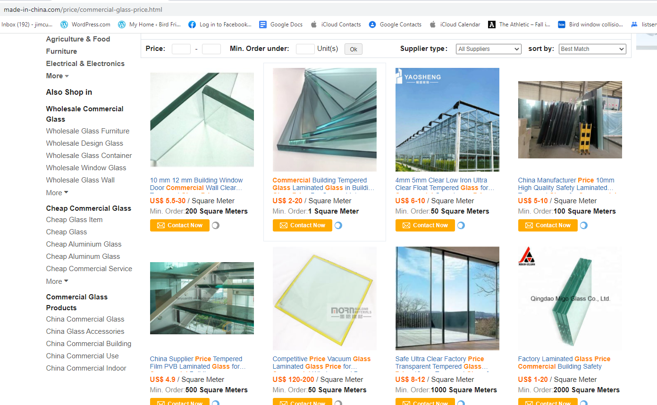
co0mmercial estimator |  | #REF! | mid-range |  |  |  |  |  |  |  |  |  |  |  |  |  |  | If you’re building a single-story office space in the US, your average cost per square foot will be around $313 Constructing a mid-rise office building will cost an average of $562 per square foot High-rise buildings cost an average of $660 per square foot to build
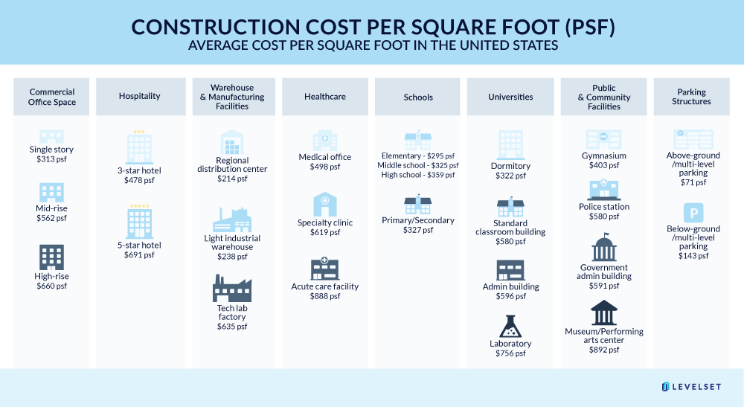
windowcost see bcgd |  | 25

average size bldg |  | 19000

 |  |  |  |  |  | fab pice to 15 20 reg window
 |  |  |  |  |  | glazer to consurtion com[

 |  |  |  | frit
 |  |  |  | uv
 | uv |  |  | acid edge
 | 15-20 |  |  | installed
 | frit |  | uv |  |  |  |  |  |  |  |  |  |  |  |  |  |  | Doe window info
 | aci |  | 15-20 | low e,
 |  |  | frit |  |  |  |  |  |  |  |  |  |  |  |  |  |  | https://wwwenergygov/eere/buildings/windows
 |  |  | aci | add $ for $12
 | 1 sq meter = |  |  |  |  |  |  |  |  |  |  |  |  |  |  |  |  | How do you find the square footage of a multi story building?
 |  |  |  |  |  |  |  |  |  |  |  |  |  |  |  |  |  | Measure the length and width of the building's walls Multiply the length and width measurements to find square footage Remember to multiply the square footage times the number of floors in the building if your facility has more than one floorJul 19, 2021
 | 107 |  | 1 sq meter = |  |  |  |  |  |  |  |  |  |  |  |  |  |  | How to Calculate Square Footage in Your Facility, the Easy Way

 | $12.00 | used as AVG of China price below | 10.7 | sq feet |  |  |  |  |  |  |  |  |  |  |  |  |  | The height of each story in a building is based on ceiling height, floor thickness, and building material — with a general average of about 14 feet
 |  |  |  |  |  |  |  |  |  |  |  |  |  |  |  |  |  | How Tall is a Storey in Feet? - Skydeck Chicago
 | cst/sq foot |  | $1.12 |  |  | $0.10
 |  |  |  |  |  |  |  |  |  |  |  |  |  |  |  |  |  | The average size of buildings constructed before 1960 (26% of the commercial building stock) is 12,000 square feet; buildings constructed between 1960 and 1999 (55%) average 16,300 square feet; and buildings constructed in the 2000s (18%) average 19,000 square feetMay 8, 2015
 |  |  | 100 feet | 30 feet | net |  |  |  |  |  |  |  |  |  |  |  |  | Average size of new commercial buildings in United States - EIA
 |  | 10% | $12,012 | $3,432 | $8,580 |  |  |  |  |  |  |  |  |  |  |  |  | https://wwweiagov › todayinenergy › detail
 |  | 25% | $30,576 | $8,736 | $21,840
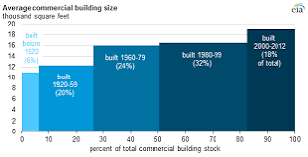
 |  | 50% | $60,060 | $17,160 | $42,900

 |  | 10% | 0.07% | 0.02%
 |  | 25% | 0.17% | 0.05% |  | 19,000
 |  |  |  |  |  | $5,700,000
 |  |  |  |  |  | $13,300,000

 |  |  | 100 feet | 30 feet | net
 |  | 50% | $60,060 | $17,160 | $42,900
 |  | 50% | 0.33% | 0.09% | 0.24%

 |  | 50% | $60,060 | $17,160 | $42,900

 |  |  |  | 20
 |  |  |  | 20 | mig
 |  |  |  | 20 | d
 |  |  |  | 60
 |  |  |  | 110
 |  |  |  | 70
 |  |  |  |  | 180 | 15 | 2700

Sheet1
tax credit

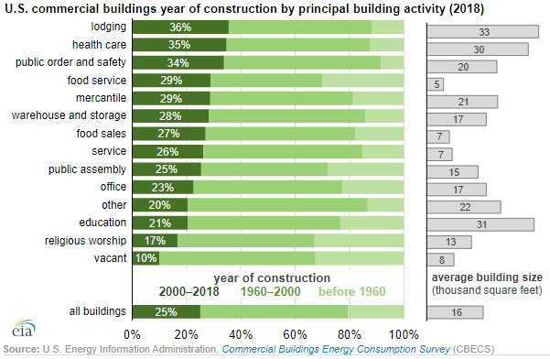
 | https://www.eia.gov/consumption/commercial/data/2012/index.php?view=characteristics

 | Total # of buildings | 5,557,000
 |  | Number of buildings (thousand) | Total floorspace (million square feet) | Total workers (thousand) | Mean square feet per building (thousand) | Mean square feet per worker1
 | Window glass | 17 | 1,340 | 2,652 | 78.6 | 488 | 77 | seems to be 200=2018
 |  | 17,000 | 1,340,000,000
 |  |  | 78,824

 | %window glass | 0.31%

Case study
Case Study- Comparing Actual Costs

 |  |  |  |  |  |  | 2,273,852

 |  |  |  |  |  |  | =

In this study the cost of a library without and with bird-safe glass was compared to the added cost of bird safe glass. (It assumed UV glass costing 50% more than normal glass.) The result is shown in K2 --$19,260 That cost as a percentage is compared to the cost of the building as a whole. The result is 0.17%. The scenario approach estimates 0.15% See "Base Worksheet at D58
 |  |  |  |  |  |  | 268,356
 |  |  |  |  |  |  | 2.54% | glass material cost
 |  |  |  |  |  |  | 4%

 |  |  |  |  |  |  |  |  | `

 |  | 0.19665640123 |  | 0.21268656716

 | cost of glass | 2.51%

 |  | You started total cost of window - labor and material |  | $447
 |  | Materials | 60% of 447 | $268 | 12%
 |  | Glass materials | 21% of cost of materials | $57,000 | 2.5068%
 |  |  |  |  | 1.88% | 3.13%
 |  |  |  | $71,250.00 | 3.13%

